assignment1
Assignment 1: | Create a Stored Procedure GetAllEmployees that "lists all the employees from employee table"

Query: | DELIMITER // CREATE PROCEDURE GetAllEmployees() BEGIN SELECT * FROM employees; END //

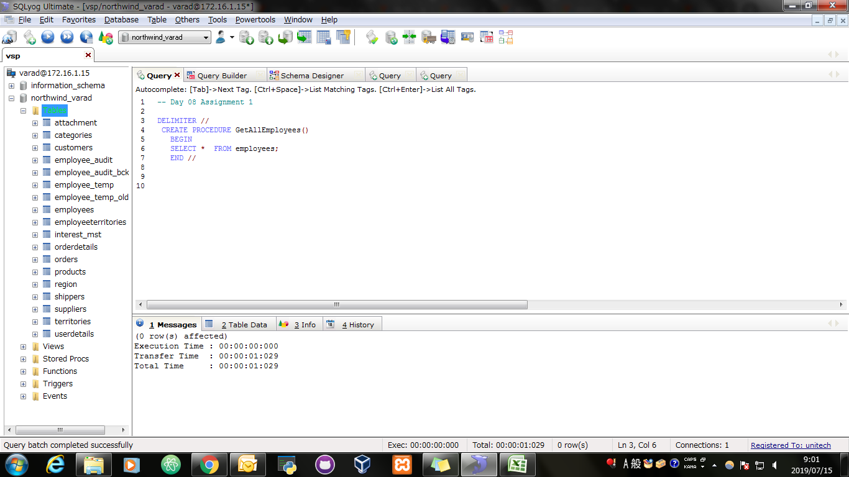
Screen Shoot:

Query: | CALL GetAllEmployees();

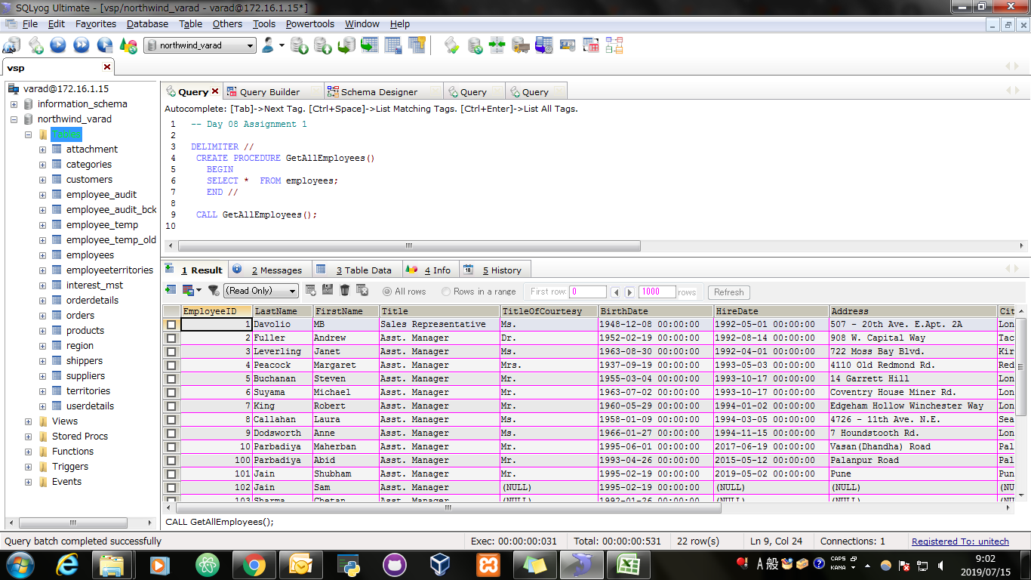
Screen Shoot:

assignment2
Assignment 2: | Create a Stored procedure sales_by_year that "Displays sales of all the products by shippeddate 1996-12-24 to 1997-09-30"
 | Resultant set should list ShippedDate, OrderID, Subtotal from an imaginary table and Year
 | Hint: Use Subquery to create imaginary table and joins to display the result set.
 | Use : order details tables and orders tables

Query: | DELIMITER $$ CREATE /*[DEFINER = { user | CURRENT_USER }]*/ PROCEDURE `northwind_varad`.`sales_by_year`() BEGIN SELECT DATE(O.ShippedDate) AS ShippedDate,Odet.OrderID, SUM((Odet.UnitPrice * Odet.Quantity)-((Odet.UnitPrice * Odet.Quantity*Odet.Discount)/100)) AS SubTotal, YEAR(O.ShippedDate) AS YEAR FROM orders AS O INNER JOIN orderdetails AS Odet ON Odet.OrderID = O.OrderID AND O.ShippedDate BETWEEN '1996-12-24' AND '1997-09-30' GROUP BY Odet.OrderID ORDER BY O.ShippedDate; END$$ DELIMITER ;

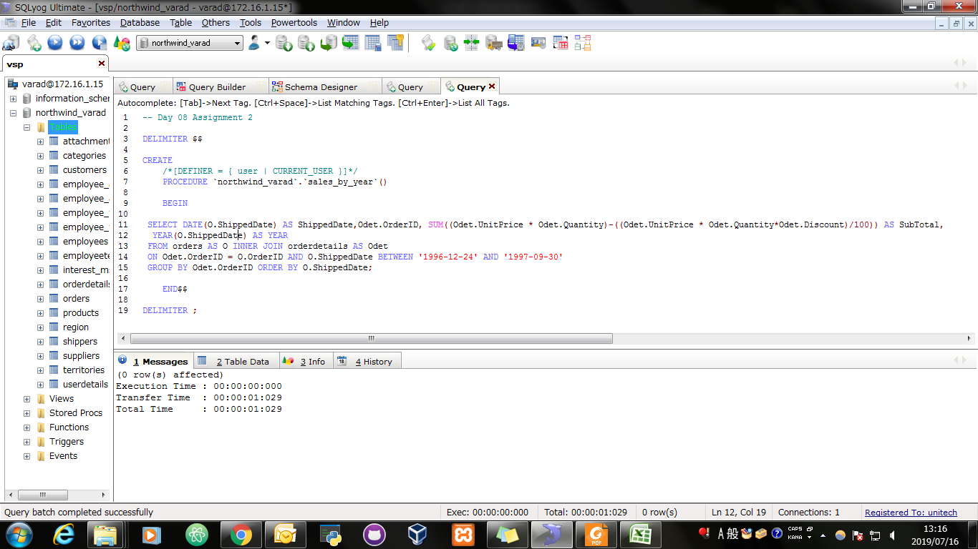
Screen Shoot:

Query: | CALL sales_by_year();

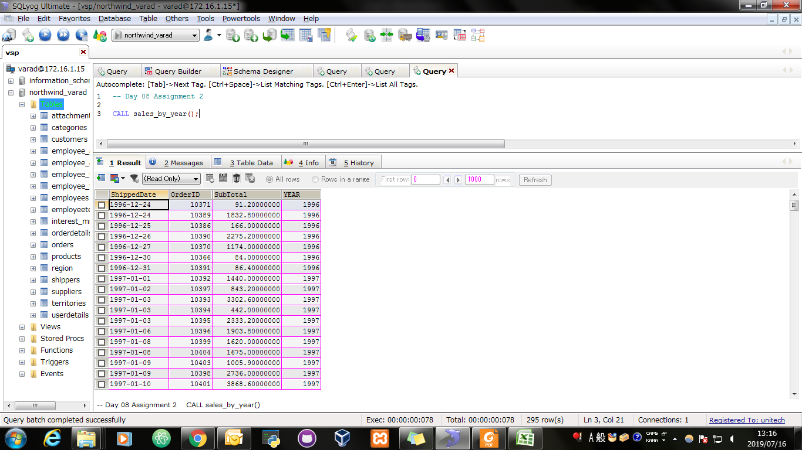
Screen Shoot:

assignment3
Assignment 3: | Create a Stored procedure number_of_UnitsInStock that "Displays No. of UnitsInStock by Category and Supplier Continent."
 | Use tables Supplier, Category and Products

Query: | DELIMITER $$ CREATE /*[DEFINER = { user | CURRENT_USER }]*/ PROCEDURE `northwind_varad`.`number_of_UnitsInStock`() BEGIN SELECT c.CategoryName, CASE WHEN s.Country IN ('India','Japan','Singapore','Australia','Canada') THEN 'Asia-Pacific' WHEN s.Country IN ('Brazil','USA') THEN 'America' WHEN s.Country IN ('Denmark','Finland','France','Germany','Italy','Netherlands','Spain','Sweden','UK','Norway') THEN 'Europe' END AS Supplier_Continent, SUM(p.UnitsInStock) AS UnitsInStock FROM suppliers AS s JOIN products AS p ON s.SupplierID = p.SupplierID JOIN categories AS c ON c.CategoryID = p.CategoryID GROUP BY Supplier_Continent, c.CategoryName ORDER BY c.CategoryName,UnitsInStock DESC; END$$ DELIMITER ;

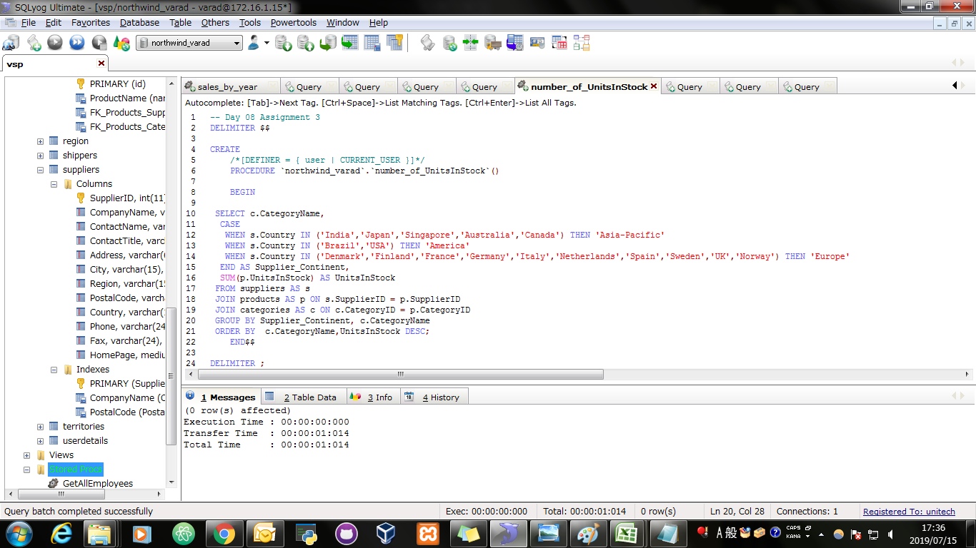
Screen Shoot:

Query: | CALL number_of_UnitsInStock();

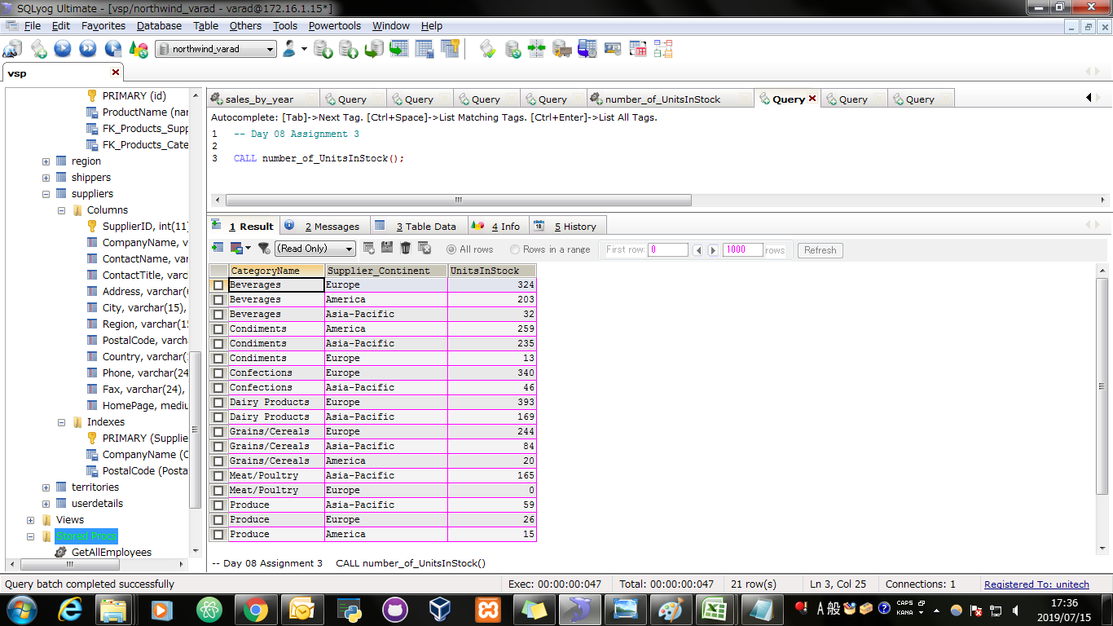
Screen Shoot:

